Sheet1
SKU | Issue
ZAP-MAIN | no title
PLS-MAIN | no title
PT1035-MAIN | no title | First try
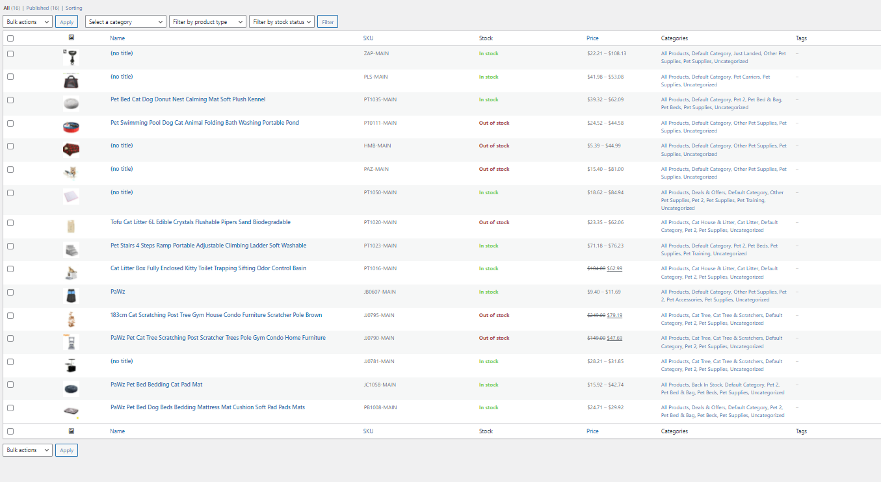
PT0111-MAIN | no title
HMB-MAIN | no title
PAZ-MAIN | no title
PT1050-MAIN | no title
PT1020-MAIN | no title
PT1023-MAIN | no title
PT1016-MAIN | no title
JB0607-MAIN | no title
JJ0795-MAIN | no title
JJ0790-MAIN | no title
JJ0781-MAIN | no title
JC1058-MAIN | no title
PB1009-MAIN | no title

